PACKINGLIST
 |  |  |  |  | PACKING LIST

 |  |  |  |  |  |  |  |  | ARTICLE NAME | ELENA PLUS
SHIPMENT NO | WH3039 |  |  |  |  |  |  |  | DESCRIPTION | LADIES T800 TRENCH COAT FAKE FINE FUR LINING PLUS SIZE
CONTAINER NO | FFAU1647859 |  |  |  |  |  |  |  | ORDER NO. | 125-372 | SH-B3172
LOADING PORT | SHANGHAI |  |  |  |  |  |  |  | DESTINATION | L.A.USA
CONTAINER SIZE | 40HQ |  |  |  |  |  |  |  | ETD./ETA.: | 2026-07-12
CTN. | QTY | STYLE | DESCRIPCION | PRECIO | BRAND | COLOR ASSORTMENT/CTN |  |  | SIZE ASSORTMENT/CTN |  |  |  | PCS | TTL | MONTO TOTAL | TTL
N0. | OF CTNS | NO. |  |  | NAME | A | B | C | 1X | 2X | 3X | 4X | PER CTN | QTY(pcs) |  | QTY(dozen)
1--60 | 60 | 3JA8299 | GABARDINA ELENA CON CINTURON TALLAS PLUS |  | GREENFIELD | BLACK |  |  | 1 | 1 | 1 | 1 | 24 | 1440 |  | 120
 |  |  |  | $8.80 |  | D.NAVY |  |  | 1 | 1 | 1 | 1
 |  |  |  |  |  | BURGUNDY |  |  | 1 | 1 | 1 | 1
 |  |  |  |  |  | STONE |  |  | 1 | 1 | 1 | 1
 |  |  |  |  |  | D.KHAKI |  |  | 1 | 1 | 1 | 1
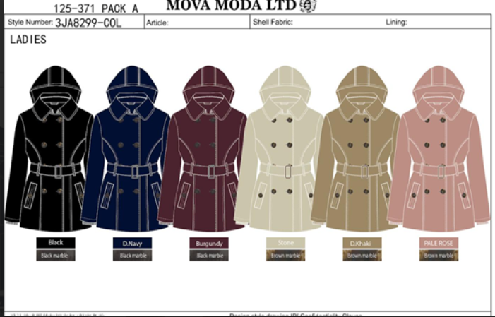
 |  |  |  |  |  | PALE ROSE |  |  | 1 | 1 | 1 | 1
61 | 1 |  |  |  |  | BLACK |  |  | 1 | 1 | 1 | 1 | 24 | 24 |  | 2
 |  |  |  |  |  | D.NAVY |  |  | 2 | 2 | 2 | 2
 |  |  |  |  |  | STONE |  |  | 1 | 1 | 1 | 1
 |  |  |  |  |  | D.KHAKI |  |  | 1 | 1 | 1 | 1
 |  |  |  |  |  | PALE ROSE |  |  | 1 | 1 | 1 | 1
62 | 1 |  |  |  |  | BLACK |  |  | 1 | 1 | 2 | 2 | 24 | 24 |  | 2
 |  |  |  |  |  | STONE |  |  | 2 | 1 | 2 | 2
 |  |  |  |  |  | D.KHAKI |  |  | 1 | 1 | 1 | 1
 |  |  |  |  |  | PALE ROSE |  |  | 1 | 2 | 2 | 2
63 | 1 |  |  |  |  | BURGUNDY |  |  | 1 | 0 | 0 | 1 | 5 | 5 |  | 0.41666666667
 |  |  |  |  |  | D.NAVY |  |  | 1 | 0 | 0 | 0
 |  |  |  |  |  | D.KHAKI |  |  | 1 | 0 | 1 | 0
TTL(ctns) | 63 |  |  |  |  |  |  |  |  |  |  |  | TTL(pcs/dozen) | 1493 | $13,138.40 | 124.41666667

CTN SIZE: | 60*45*40
CTN W/T.: | 15 KGS
TTL CBM: | 6.91CBM
TTL G.W.: | 945 KGS
TTL N.W.: | 850.50 KGS
 |  |  |  |  | PACKING LIST

 |  |  |  |  |  |  |  |  | ARTICLE NAME | DOBBY
SHIPMENT NO | WH3039 |  |  |  |  |  |  |  | DESCRIPTION | MENS FISHBONE WITH TPU PP JACKETS FLANNEL LINING
CONTAINER NO | FFAU1647859 |  |  |  |  |  |  |  | ORDER NO. | 225-464 | SH-B3172
LOADING PORT | SHANGHAI |  |  |  |  |  |  |  | DESTINATION | L.A.USA
CONTAINER SIZE | 40HQ |  |  |  |  |  |  |  | ETD./ETA.: | 2026-07-12
CTN. | QTY | STYLE | DESCRIPCION | PRECIO | BRAND | COLOR ASSORTMENT/CTN |  |  | SIZE ASSORTMENT/CTN |  |  |  | PCS | TTL | MONTO TOTAL | TTL
N0. | OF CTNS | NO. |  |  | NAME | A | B | C | S/CH | M/M | L/G | XL/EG | PER CTN | QTY(pcs) |  | QTY(dozen)
1--49 | 49 | 1AK7986 | CHAMARRA ACABADO TPU INTERIOR DE FRANELA ACOLCHADA Y CUELLO DE PANA |  | IDOL NAVY | BLACK |  |  | 2 | 4 | 4 | 2 | 24 | 1176 |  | 98
 |  | AND260007 |  | $7.25 |  | CAMEL |  |  | 1 | 2 | 2 | 1
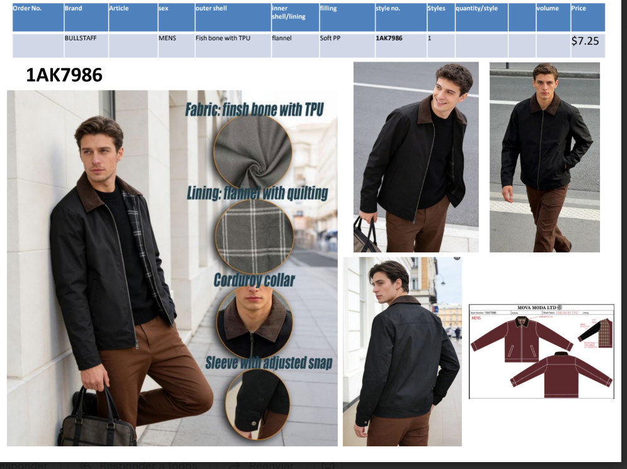
 |  |  |  |  |  | COFFEE |  |  | 1 | 2 | 2 | 1

50 | 1 |  |  |  |  | BLACK |  |  | 1 | 2 | 2 | 1 | 12 | 12 |  | 1
 |  |  |  |  |  | CAMEL |  |  | 1 | 1 | 1 | 1
 |  |  |  |  |  | COFFEE |  |  | 0 | 0 | 1 | 1

TTL(ctns) | 50 |  |  |  |  |  |  |  |  |  |  |  | TTL(pcs/dozen) | 1188 | $8,613.00 | 99

CTN SIZE: | 56*36*49
CTN W/T.: | 29 KGS
TTL CBM: | 4.90 CBM
TTL G.W.: | 1450 KGS
TTL N.W.: | 1375 KGS

 |  |  |  |  | PACKING LIST

 |  |  |  |  |  |  |  |  | ARTICLE NAME | FORMAZZA PLUS
SHIPMENT NO | WH3039 |  |  |  |  |  |  |  | DESCRIPTION | LADIES STRECH FABRIC BONDED FLEECE LONG JACKETS PLUS SIZE
CONTAINER NO | FFAU1647859 |  |  |  |  |  |  |  | ORDER NO. | 225-600 | XI-A4591
LOADING PORT | SHANGHAI |  |  |  |  |  |  |  | DESTINATION | L.A.USA
CONTAINER SIZE | 40HQ |  |  |  |  |  |  |  | ETD./ETA.: | 2026-07-12
CTN. | QTY | STYLE | DESCRIPCION | PRECIO | BRAND | COLOR ASSORTMENT/CTN |  |  | SIZE ASSORTMENT/CTN |  |  |  | PCS | TTL | MONTO TOTAL | TTL
N0. | OF CTNS | NO. |  |  | NAME | A | B | C | 2x | 3x | 4x |  | PER CTN | QTY(pcs) |  | QTY(dozen)
 | 34 | 1AK7843 | CHAMARRA POLIURETANO CON GORRO TALLAS PLUS |  | IDOL NAVY | BLACK |  |  | 4 | 4 | 4 |  | 30 | 1020 |  | 85
 |  | AND260011 |  | $7.98 |  | NAVY |  |  | 2 | 2 | 2
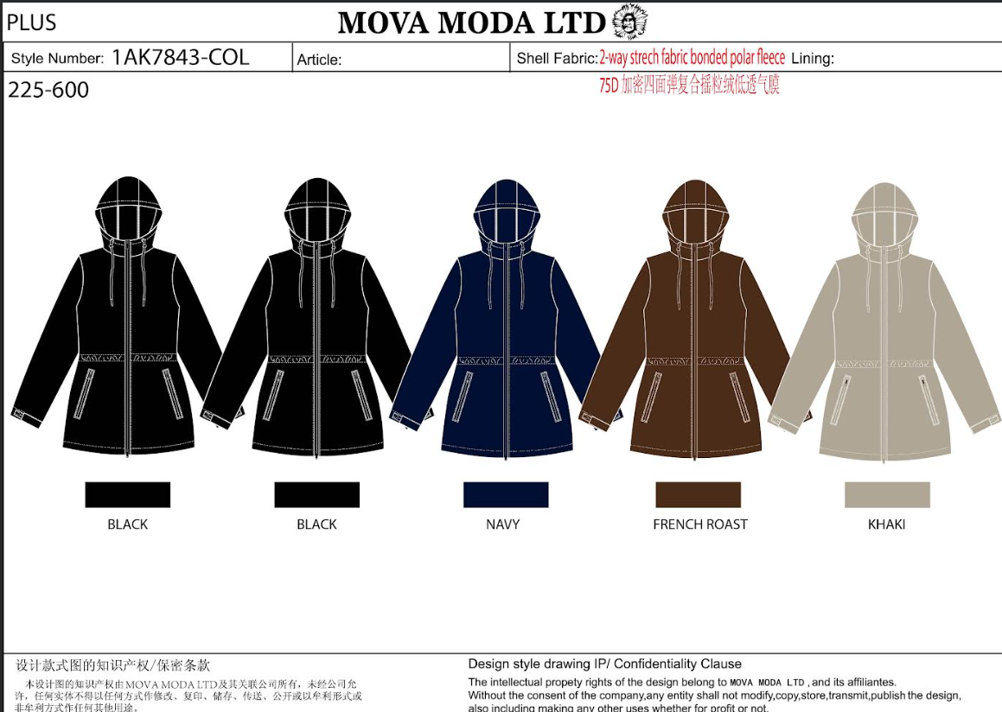
 |  |  |  |  |  | FRENCH ROAST |  |  | 2 | 2 | 2
 |  |  |  |  |  | KHAKI |  |  | 2 | 2 | 2

TTL(ctns) | 34 |  |  |  |  |  |  |  |  |  |  |  | TTL(pcs/dozen) | 1020 | $8,134.50 | 85

CTN SIZE: | 58*39*56
CTN W/T.: | 26 KGS
TTL CBM: | 4.31 CBM
TTL G.W.: | 884 KGS
TTL N.W.: | 850 KGS
 |  |  |  |  | PACKING LIST

 |  |  |  |  |  |  |  |  | ARTICLE NAME | SILAS
SHIPMENT NO | WH3039 |  |  |  |  |  |  |  | DESCRIPTION | MENS CORDUROY BONDED YANGJIAN FUR SHORT JACKETS RIB ON BUTTOM
CONTAINER NO | FFAU1647859 |  |  |  |  |  |  |  | ORDER NO. | 226-026 | SH-A3442
LOADING PORT | SHANGHAI |  |  |  |  |  |  |  | DESTINATION | L.A.USA
CONTAINER SIZE | 40HQ |  |  |  |  |  |  |  | ETD./ETA.: | 2026-07-12
CTN. | QTY | STYLE | DESCRIPCION | PRECIO | BRAND | COLOR ASSORTMENT/CTN |  |  | SIZE ASSORTMENT/CTN |  |  |  | PCS | TTL | MONTO TOTAL | TTL
N0. | OF CTNS | NO. |  |  | NAME | A | B | C | S/CH | M/M | L/G | XL/EG | PER CTN | QTY(pcs) |  | QTY(dozen)
 | 56 | AND260017 | CHAMARRA DE PANA CON BORREGA EN CUELLO Y FUR INTERIOR DE BORREGA |  | IDOL NAVY | BLACK |  |  | 1 | 2 | 2 | 1 | 18 | 1008 |  | 84
 |  | 3JA7975 |  | $13.00 |  | CAMEL |  |  | 1 | 2 | 2 | 1
 |  |  |  |  |  | BROWN |  |  | 1 | 2 | 2 | 1

TTL(ctns) | 56 |  |  |  |  |  |  |  |  |  |  |  | TTL(pcs/dozen) | 1008 | $13,104.00 | 84

CTN SIZE: | 70*52*43
CTN W/T.: | 20.50 KGS
TTL CBM: | 8.792 CBM
TTL G.W.: | 1148 KGS
TTL N.W.: | 1036 KGS
 |  |  |  |  | PACKING LIST

 |  |  |  |  |  |  |  |  | ARTICLE NAME | VETRALLA
SHIPMENT NO | WH3039 |  |  |  |  |  |  |  | DESCRIPTION | LADIES SUEDE BONDED YANGJIAN FUR REVERSIBLE LONG JACKETS
CONTAINER NO | FFAU1647859 |  |  |  |  |  |  |  | ORDER NO. | 226-008 | SH-A3442
LOADING PORT | SHANGHAI |  |  |  |  |  |  |  | DESTINATION | L.A.USA
CONTAINER SIZE | 40HQ |  |  |  |  |  |  |  | ETD./ETA.: | 2026-07-12
CTN. | QTY | STYLE | DESCRIPCION | PRECIO | BRAND | COLOR ASSORTMENT/CTN |  |  | SIZE ASSORTMENT/CTN |  |  |  | PCS | TTL | MONTO TOTAL | TTL
N0. | OF CTNS | NO. |  |  | NAME | A | B | C | S/CH | M/M | L/G | XL/EG | PER CTN | QTY(pcs) |  | QTY(dozen)
 | 42 | AND260016 | CHAMARRA LARGA REVERSIBLE TIPO MALBORO | $13.50 | IDOL NAVY | BLACK/BLACK |  |  | 1 | 2 | 2 | 1 | 24 | 1008 |  | 84
 |  | 3VT8489 |  |  |  | CAMEL/BEIGE |  |  | 1 | 2 | 2 | 1
 |  |  |  |  |  | COFFEE/BEIGE |  |  | 1 | 2 | 2 | 1
 |  |  |  |  |  | SAND/SAND |  |  | 1 | 2 | 2 | 1

TTL(ctns) | 42 |  |  |  |  |  |  |  |  |  |  |  | TTL(pcs/dozen) | 1008 | $13,608.00 | 84

CTN SIZE: | 80*56*48
CTN W/T.: | 28 KGS
TTL CBM: | 9.03 CBM
TTL G.W.: | 1176 KGS
TTL N.W.: | 1092 KGS
 |  |  |  |  | PACKING LIST

 |  |  |  |  |  |  |  |  | ARTICLE NAME | GORIZIA
SHIPMENT NO | WH3039 |  |  |  |  |  |  |  | DESCRIPTION | LADIES SUEDE SPONGE BONDED FAKE RABBIT FUR LONG PARKA
CONTAINER NO | FFAU1647859 |  |  |  |  |  |  |  | ORDER NO. | 225-557 | SH-A3452
LOADING PORT | SHANGHAI |  |  |  |  |  |  |  | DESTINATION | L.A.USA
CONTAINER SIZE | 40HQ |  |  |  |  |  |  |  | ETD./ETA.: | 2026-07-12
CTN. | QTY | STYLE | DESCRIPCION | PRECIO | BRAND | COLOR ASSORTMENT/CTN |  |  | SIZE ASSORTMENT/CTN |  |  |  | PCS | TTL | MONTO TOTAL | TTL
N0. | OF CTNS | NO. |  |  | NAME | A | B | C | S/CH | M/M | L/G | XL/EG | PER CTN | QTY(pcs) |  | QTY(dozen)
1--74 | 74 | 3JA8065 | CHAMARRA SUEDE CON GORRO DESMONTABLE Y FUR INTEIROR | $12.20 | IDOL NAVY | BLACK |  |  | 2 | 4 | 4 | 2 | 30 | 2220 |  | 185
 |  |  |  |  |  | CHOCOLATE |  |  | 1 | 2 | 2 | 1
 |  |  |  |  |  | OFF WHITE |  |  | 1 | 2 | 2 | 1
 |  |  |  |  |  | D.BEIGE |  |  | 1 | 2 | 2 | 1

TTL(ctns) | 74 |  |  |  |  |  |  |  |  |  |  |  | TTL(pcs/dozen) | 2220 | $27,084.00 | 185

CTN SIZE: | 94*55*47
CTN W/T.: | 33 KGS
TTL CBM: | 17.98 CBM
TTL G.W.: | 2442 KGS
TTL N.W.: | 2294 KGS
 |  |  |  |  | PACKING LIST

 |  |  |  |  |  |  |  |  | ARTICLE NAME | COMISO HOOD
SHIPMENT NO | WH3039 |  |  |  |  |  |  |  | DESCRIPTION | MENS BREATHABLE PU BONDED ICELAND FUR JACKETS WITH HOOD
CONTAINER NO | FFAU1647859 |  |  |  |  |  |  |  | ORDER NO. | 225-594 | SH-A3452
LOADING PORT | SHANGHAI |  |  |  |  |  |  |  | DESTINATION | L.A.USA
CONTAINER SIZE | 40HQ |  |  |  |  |  |  |  | ETD./ETA.: | 2026-07-12
CTN. | QTY | STYLE | DESCRIPCION | PRECIO | BRAND | COLOR ASSORTMENT/CTN |  |  | SIZE ASSORTMENT/CTN |  |  |  | PCS | TTL | MONTO TOTAL | TTL
N0. | OF CTNS | NO. |  |  | NAME | A | B | C | S/CH | M/M | L/G | XL/EG | PER CTN | QTY(pcs) |  | QTY(dozen)
1--50 | 50 | 3JA8205-2 | CHAMARRA VINIPIEL CON FUR INTERIOR |  | IDOL NAVY | BLACK/BLACK |  |  | 1 | 2 | 2 | 1 | 30 | 1500 |  | 125
 |  |  |  | $12.20 |  | BLACK/STONE |  |  | 2 | 4 | 4 | 2
 |  |  |  |  |  | CHOCOLATE/L.BEIGE |  |  | 1 | 2 | 2 | 1
 |  |  |  |  |  | D.KHAKI/D.KHAKI |  |  | 1 | 2 | 2 | 1

TTL(ctns) | 50 |  |  |  |  |  |  |  |  |  |  |  | TTL(pcs/dozen) | 1500 | $18,300.00 | 125

CTN SIZE: | 80*55*74 |  |  |  |  |  |  |  |  |  |  |  |  | 9437 | $101,981.90
CTN W/T.: | 35 KGS
TTL CBM: | 16.17 CBM
TTL G.W.: | 1750 KGS
TTL N.W.: | 1650 KGS

TTL CTNS | 369 CTNS
TTL PCS | 9437 PCS
TTL VOL | 68.092 CBM
TTL G.W. | 9795 KGS

